insert
API
localhost:8080/Bank/TabunganModel

isi | {
 | nik:"12345",
 | "nama": "aris",
 | "kredit": 1000,
 | "debit": 0
 | }

Parameter
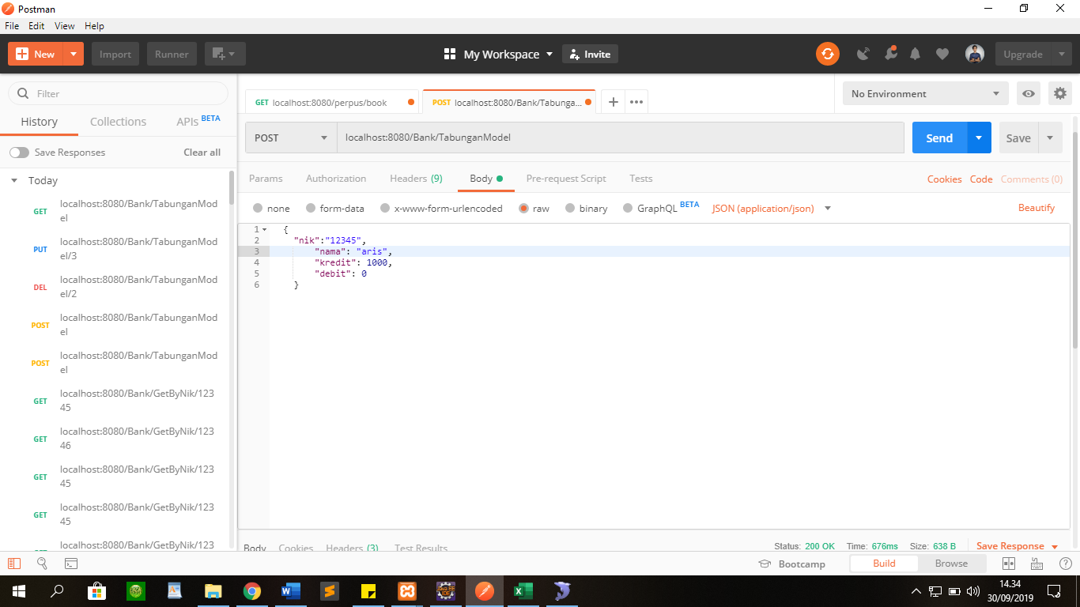

Response
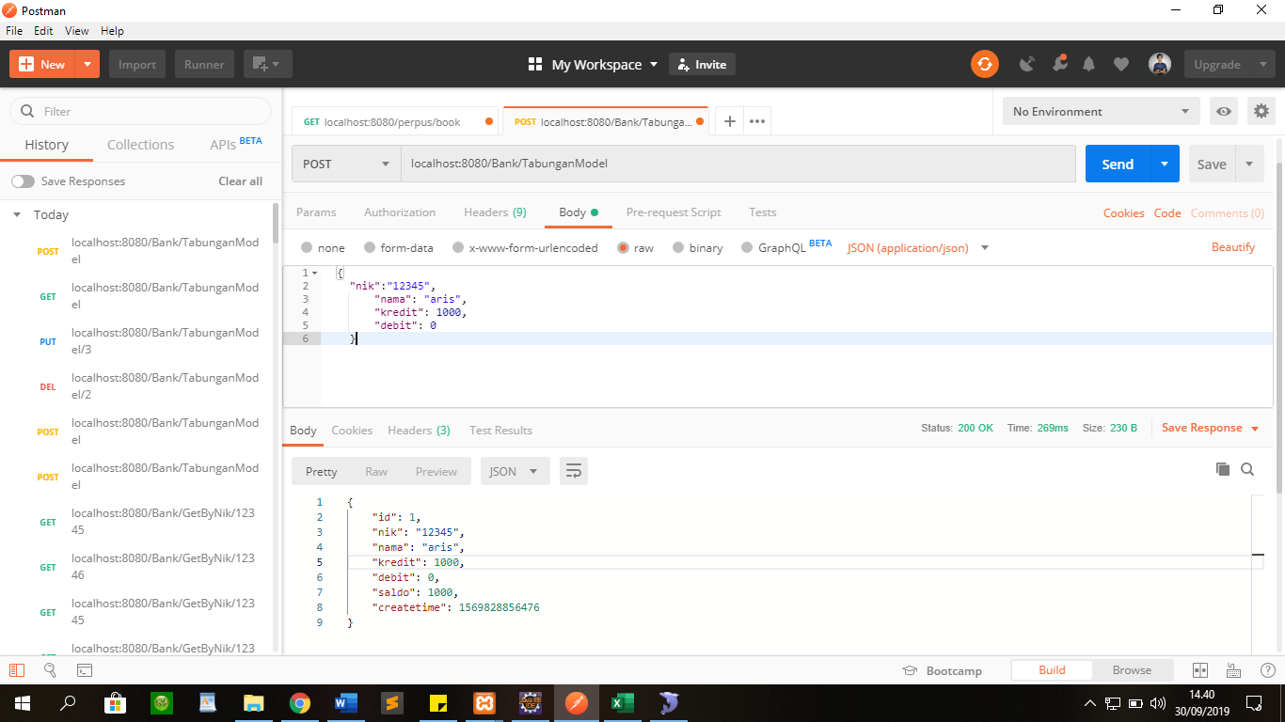

End

Get All
API
localhost:8080/Bank/TabunganModel

Parameter
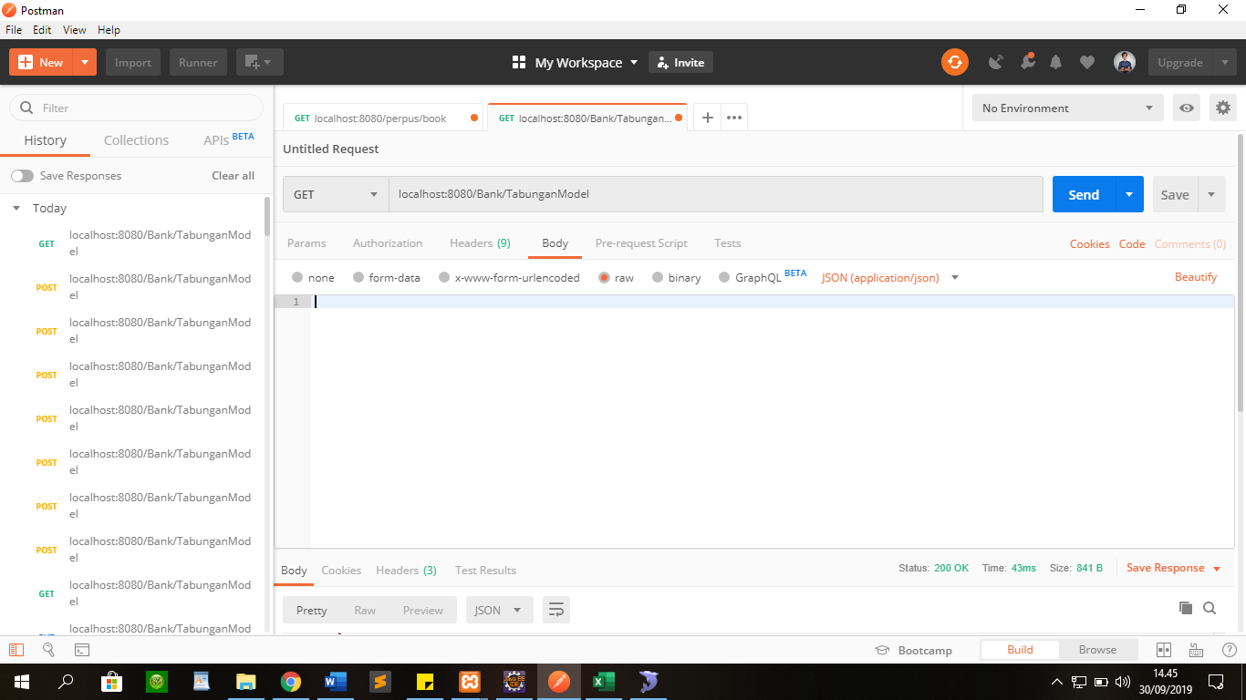

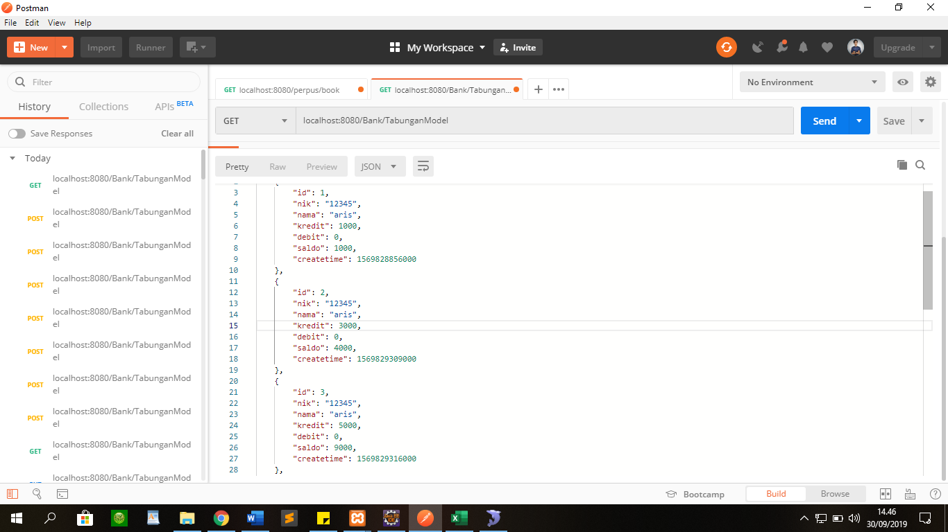
Response

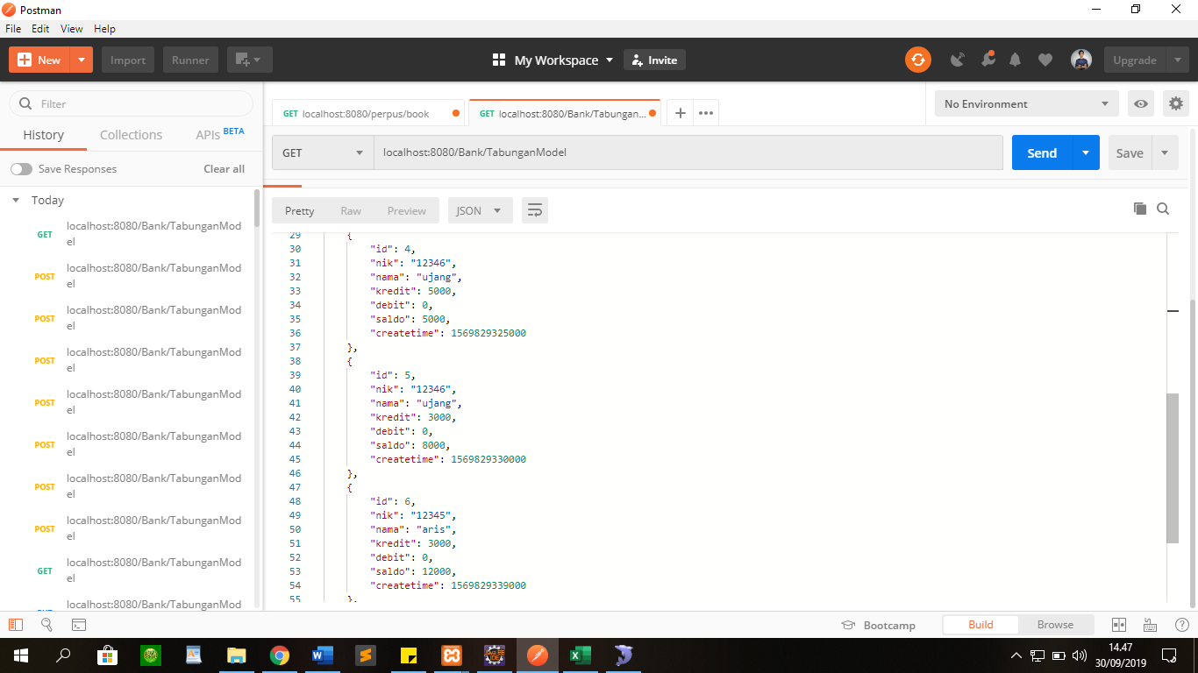

End

Get By Id
API
localhost:8080/Bank/GetById/1

Parameter
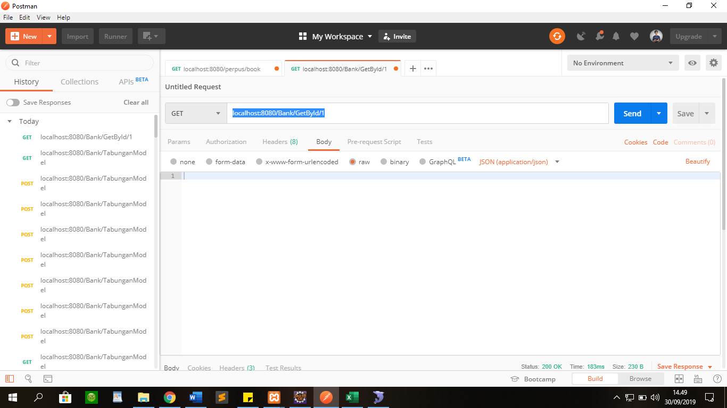

Response
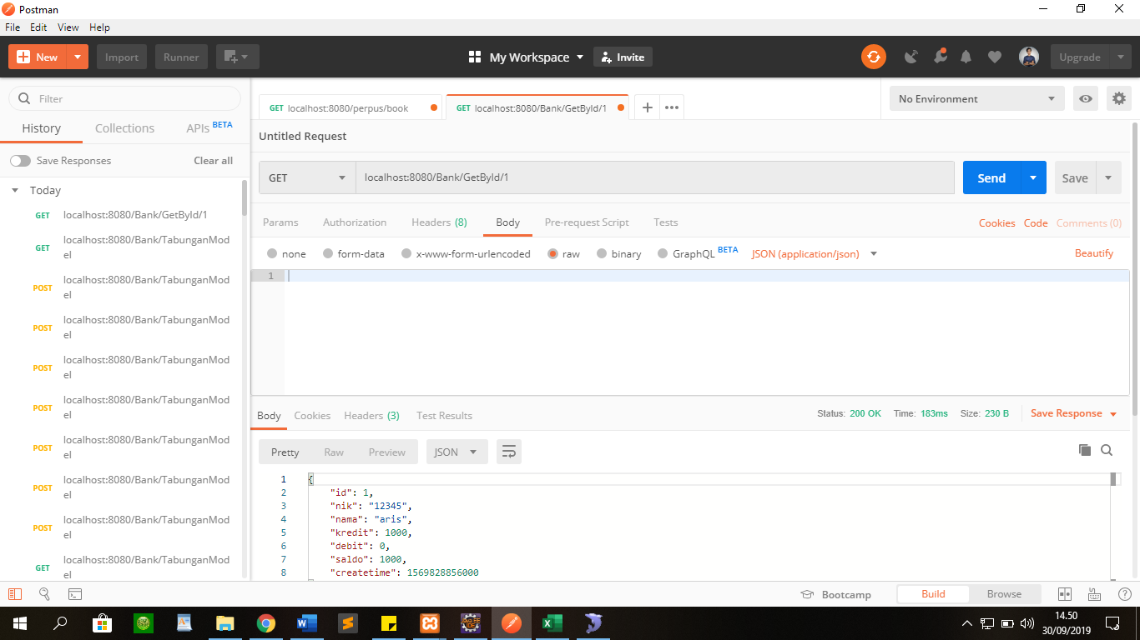

End

Get By Nik
API
localhost:8080/Bank/GetByNik/12345

Parameter
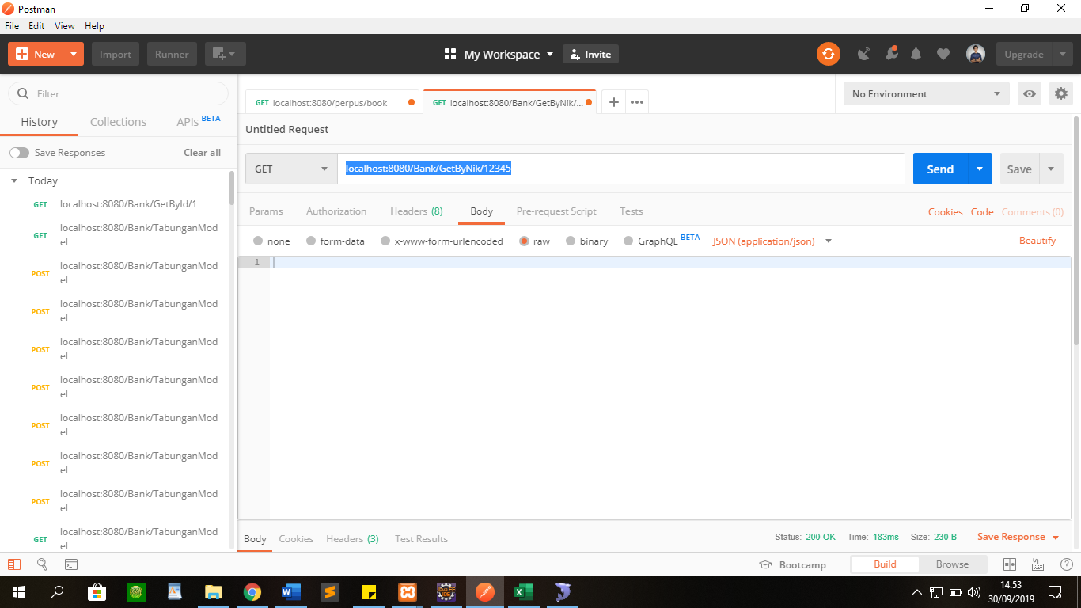

Response

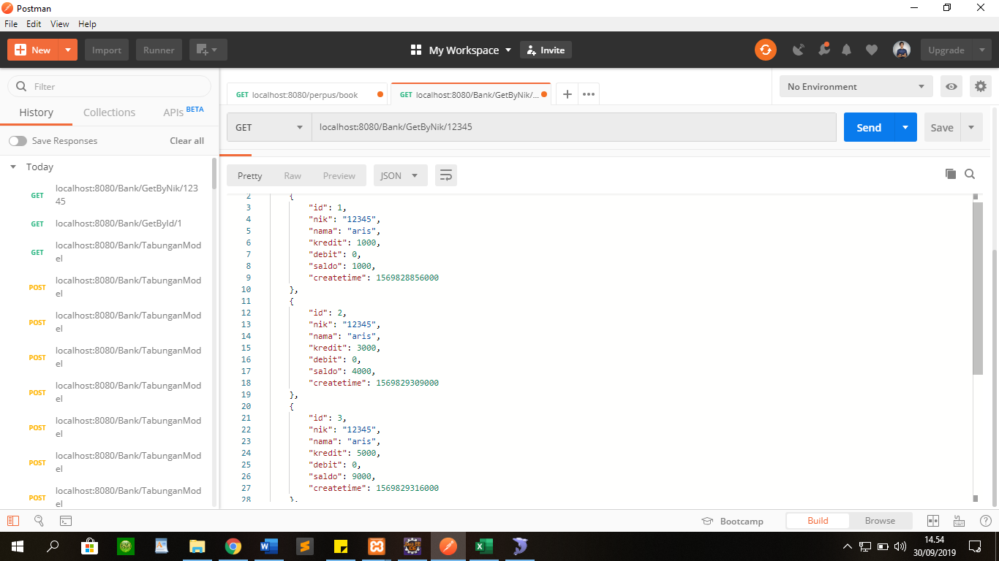

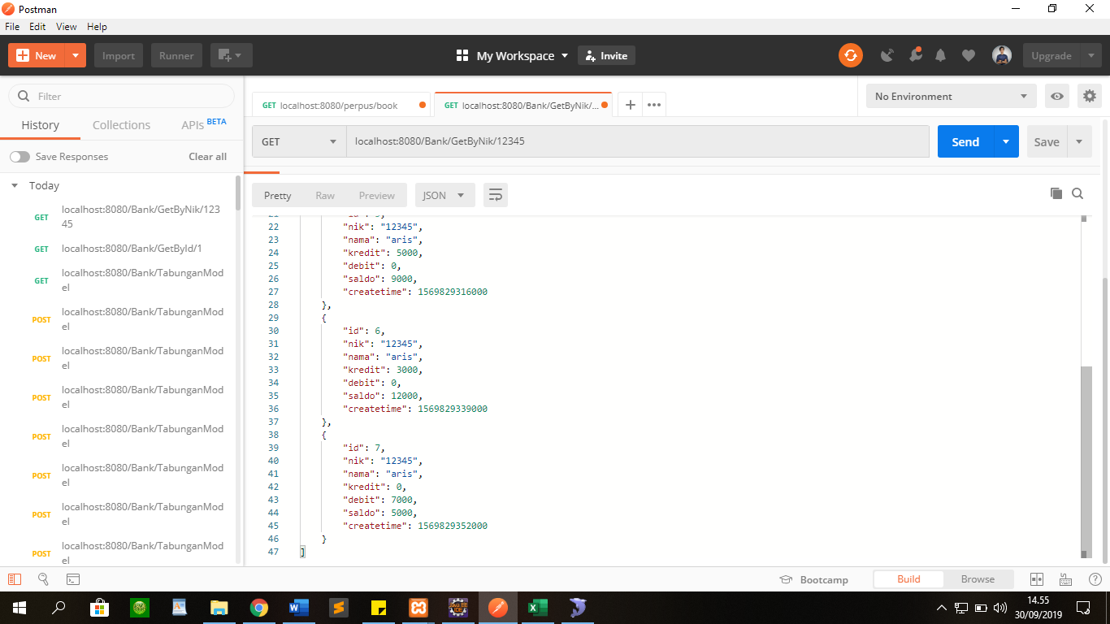

End

Update
API
localhost:8080/Bank/TabunganModel/3

Parameter
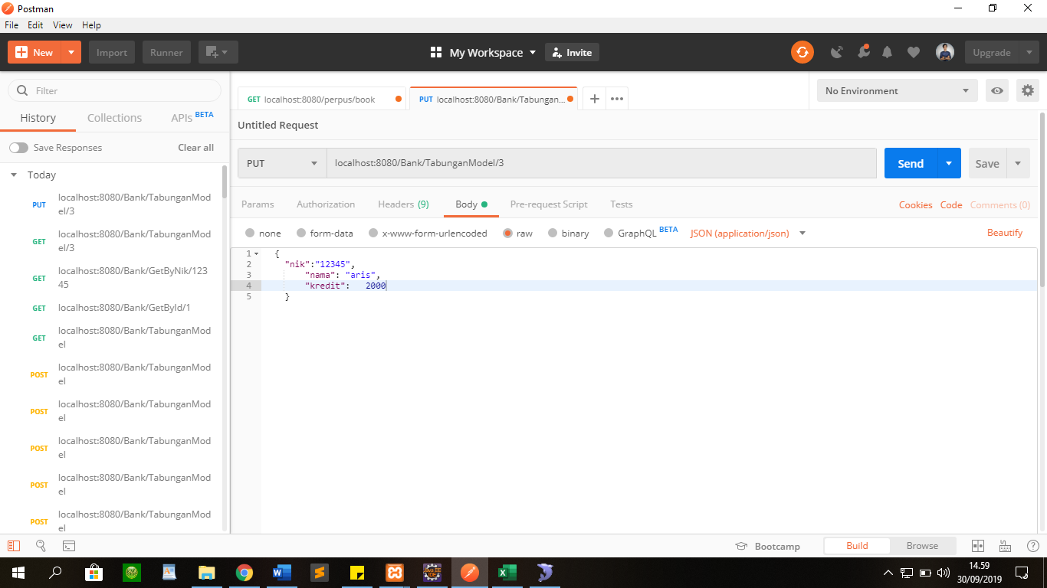

Response

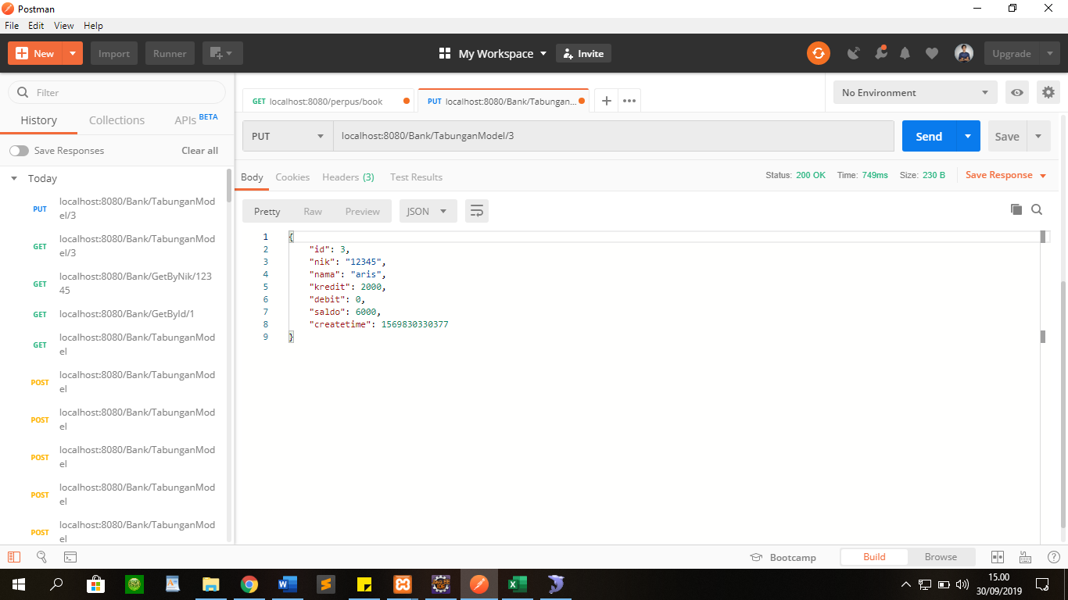

End

Delete
API
localhost:8080/Bank/TabunganModel/3

Parameter
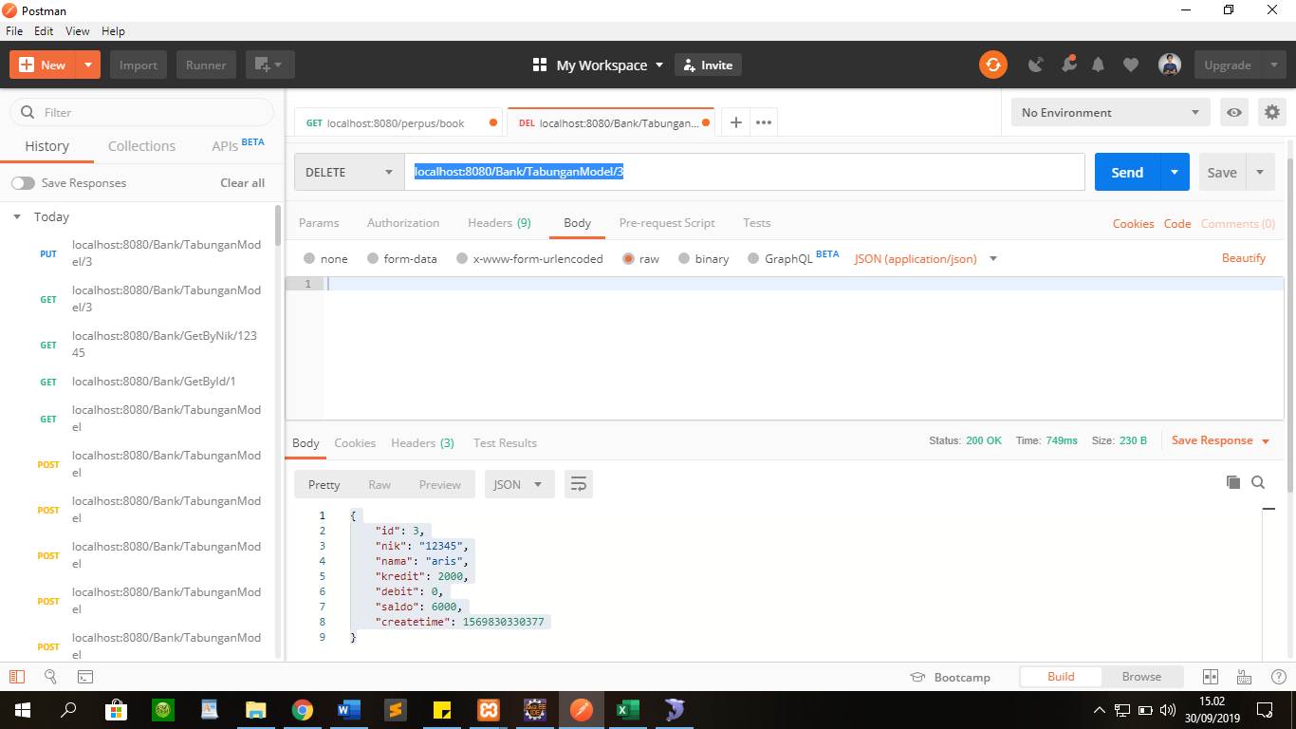

Response

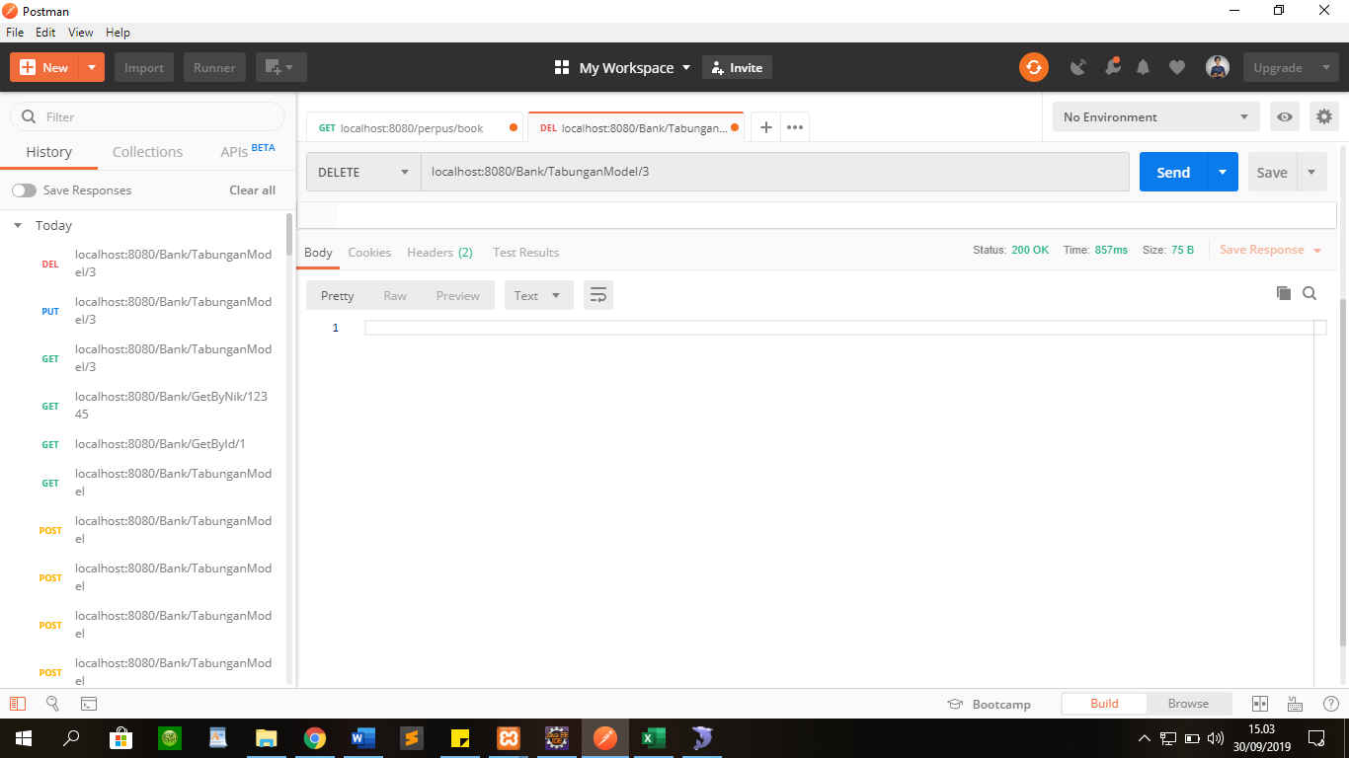

 | End

